Daily Power Station Chart_14-01
Plant_02/07/2025Chart

Plant:odco1 |  |  | Installed Capacity:111.180kWp
Today Yield(kWh):416.200kWh |  | Today Earning:166480.000TND |  | Today Full Load Hours(h):3.74h

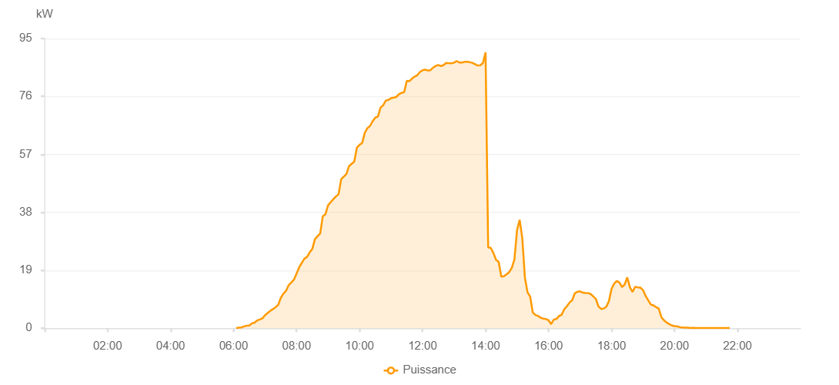

Number | Time | Working State | PV(W) | Instantaneous Radiation(W/㎡)
1 | 06:05:00 | Online | 30.00000 | 0
2 | 06:10:00 | Online | 190.00000 | 0
3 | 06:15:00 | Online | 260.00000 | 0
4 | 06:20:00 | Online | 590.00000 | 3.00000
5 | 06:25:00 | Online | 810.00000 | 6.00000
6 | 06:30:00 | Online | 900.00000 | 9.00000
7 | 06:35:00 | Online | 1610.00000 | 14.00000
8 | 06:40:00 | Online | 1820.00000 | 18.00000
9 | 06:45:00 | Online | 2560.00000 | 22.00000
10 | 06:50:00 | Online | 2870.00000 | 30.00000
11 | 06:55:00 | Online | 3210.00000 | 38.00000
12 | 07:00:00 | Online | 4300.00000 | 48.00000
13 | 07:05:00 | Online | 4970.00000 | 58.00000
14 | 07:10:00 | Online | 5710.00000 | 70.00000
15 | 07:15:00 | Online | 6270.00000 | 83.00000
16 | 07:20:00 | Online | 6910.00000 | 95.00000
17 | 07:25:00 | Online | 7620.00000 | 107.00000
18 | 07:30:00 | Online | 9970.00000 | 123.00000
19 | 07:35:00 | Online | 11350.00000 | 138.00000
20 | 07:40:00 | Online | 12250.00000 | 153.00000
21 | 07:45:00 | Online | 14120.00000 | 170.00000
22 | 07:50:00 | Online | 15000.00000 | 186.00000
23 | 07:55:00 | Online | 15920.00000 | 201.00000
24 | 08:00:00 | Online | 17940.00000 | 219.00000
25 | 08:05:00 | Online | 19950.00000 | 235.00000
26 | 08:10:00 | Online | 21450.00000 | 254.00000
27 | 08:15:00 | Online | 22840.00000 | 270.00000
28 | 08:20:00 | Online | 23380.00000 | 283.00000
29 | 08:25:00 | Online | 24870.00000 | 307.00000
30 | 08:30:00 | Online | 25980.00000 | 325.00000
31 | 08:35:00 | Online | 29180.00000 | 344.00000
32 | 08:40:00 | Online | 30160.00000 | 359.00000
33 | 08:45:00 | Online | 31090.00000 | 378.00000
34 | 08:50:00 | Online | 36700.00000 | 397.00000
35 | 08:55:00 | Online | 37390.00000 | 415.00000
36 | 09:00:00 | Online | 40320.00000 | 431.00000
37 | 09:05:00 | Online | 41300.00000 | 447.00000
38 | 09:10:00 | Online | 42300.00000 | 465.00000
39 | 09:15:00 | Online | 43200.00000 | 482.00000
40 | 09:20:00 | Online | 43910.00000 | 501.00000
41 | 09:25:00 | Online | 48880.00000 | 516.00000
42 | 09:30:00 | Online | 49710.00000 | 532.00000
43 | 09:35:00 | Online | 50600.00000 | 548.00000
44 | 09:40:00 | Online | 53160.00000 | 565.00000
45 | 09:45:00 | Online | 53890.00000 | 578.00000
46 | 09:50:00 | Online | 54670.00000 | 594.00000
47 | 09:55:00 | Online | 59250.00000 | 609.00000
48 | 10:00:00 | Online | 60140.00000 | 624.00000
49 | 10:05:00 | Online | 60750.00000 | 639.00000
50 | 10:10:00 | Online | 64100.00000 | 650.00000
51 | 10:15:00 | Online | 65620.00000 | 666.00000
52 | 10:20:00 | Online | 66340.00000 | 679.00000
53 | 10:25:00 | Online | 67870.00000 | 689.00000
54 | 10:30:00 | Online | 69050.00000 | 702.00000
55 | 10:35:00 | Online | 69390.00000 | 715.00000
56 | 10:40:00 | Online | 72370.00000 | 728.00000
57 | 10:45:00 | Online | 73100.00000 | 737.00000
58 | 10:50:00 | Online | 74640.00000 | 751.00000
59 | 10:55:00 | Online | 74860.00000 | 763.00000
60 | 11:00:00 | Online | 75410.00000 | 774.00000
61 | 11:05:00 | Online | 75610.00000 | 778.00000
62 | 11:10:00 | Online | 75830.00000 | 790.00000
63 | 11:15:00 | Online | 76710.00000 | 801.00000
64 | 11:20:00 | Online | 77140.00000 | 808.00000
65 | 11:25:00 | Online | 77420.00000 | 814.00000
66 | 11:30:00 | Online | 81110.00000 | 824.00000
67 | 11:35:00 | Online | 80990.00000 | 832.00000
68 | 11:40:00 | Online | 81860.00000 | 842.00000
69 | 11:45:00 | Online | 82510.00000 | 844.00000
70 | 11:50:00 | Online | 82930.00000 | 853.00000
71 | 11:55:00 | Online | 84030.00000 | 861.00000
72 | 12:00:00 | Online | 84590.00000 | 863.00000
73 | 12:05:00 | Online | 84790.00000 | 863.00000
74 | 12:10:00 | Online | 84500.00000 | 872.00000
75 | 12:15:00 | Online | 84600.00000 | 874.00000
76 | 12:20:00 | Online | 85420.00000 | 878.00000
77 | 12:25:00 | Online | 86000.00000 | 881.00000
78 | 12:30:00 | Online | 86300.00000 | 884.00000
79 | 12:35:00 | Online | 85930.00000 | 887.00000
80 | 12:40:00 | Online | 86290.00000 | 885.00000
81 | 12:45:00 | Online | 86970.00000 | 889.00000
82 | 12:50:00 | Online | 86890.00000 | 890.00000
83 | 12:55:00 | Online | 86850.00000 | 887.00000
84 | 13:00:00 | Online | 87070.00000 | 891.00000
85 | 13:05:00 | Online | 87610.00000 | 886.00000
86 | 13:10:00 | Online | 87120.00000 | 886.00000
87 | 13:15:00 | Online | 87090.00000 | 885.00000
88 | 13:20:00 | Online | 87350.00000 | 884.00000
89 | 13:25:00 | Online | 87350.00000 | 881.00000
90 | 13:30:00 | Online | 87210.00000 | 877.00000
91 | 13:35:00 | Online | 87010.00000 | 875.00000
92 | 13:40:00 | Online | 86570.00000 | 872.00000
93 | 13:45:00 | Online | 86130.00000 | 870.00000
94 | 13:50:00 | Online | 86230.00000 | 876.00000
95 | 13:55:00 | Online | 86930.00000 | 869.00000
96 | 14:00:00 | Online | 90440.00000 | 890.00000
97 | 14:05:00 | Online | 26530.00000 | 358.00000
98 | 14:10:00 | Online | 26320.00000 | 247.00000
99 | 14:15:00 | Online | 24660.00000 | 219.00000
100 | 14:20:00 | Online | 22410.00000 | 173.00000
101 | 14:25:00 | Online | 21800.00000 | 164.00000
102 | 14:30:00 | Online | 16930.00000 | 160.00000
103 | 14:35:00 | Online | 17070.00000 | 160.00000
104 | 14:40:00 | Online | 17690.00000 | 166.00000
105 | 14:45:00 | Online | 18380.00000 | 176.00000
106 | 14:50:00 | Online | 19800.00000 | 195.00000
107 | 14:55:00 | Online | 22490.00000 | 247.00000
108 | 15:00:00 | Online | 32170.00000 | 274.00000
109 | 15:05:00 | Online | 35540.00000 | 317.00000
110 | 15:10:00 | Online | 29510.00000 | 253.00000
111 | 15:15:00 | Online | 16550.00000 | 187.00000
112 | 15:20:00 | Online | 11760.00000 | 131.00000
113 | 15:25:00 | Online | 10340.00000 | 100.00000
114 | 15:30:00 | Online | 5140.00000 | 61.00000
115 | 15:35:00 | Online | 4320.00000 | 42.00000
116 | 15:40:00 | Online | 4010.00000 | 41.00000
117 | 15:45:00 | Online | 3450.00000 | 33.00000
118 | 15:50:00 | Online | 3130.00000 | 26.00000
119 | 15:55:00 | Online | 3000.00000 | 24.00000
120 | 16:00:00 | Online | 2590.00000 | 21.00000
121 | 16:05:00 | Fault | 1340.00000 | 27.00000
122 | 16:10:00 | Online | 2840.00000 | 29.00000
123 | 16:15:00 | Online | 3010.00000 | 31.00000
124 | 16:20:00 | Online | 4020.00000 | 35.00000
125 | 16:25:00 | Online | 4420.00000 | 41.00000
126 | 16:30:00 | Online | 6230.00000 | 54.00000
127 | 16:35:00 | Online | 7190.00000 | 61.00000
128 | 16:40:00 | Online | 8420.00000 | 72.00000
129 | 16:45:00 | Online | 9150.00000 | 84.00000
130 | 16:50:00 | Online | 11440.00000 | 98.00000
131 | 16:55:00 | Online | 11930.00000 | 106.00000
132 | 17:00:00 | Online | 12100.00000 | 108.00000
133 | 17:05:00 | Online | 11650.00000 | 106.00000
134 | 17:10:00 | Online | 11540.00000 | 105.00000
135 | 17:15:00 | Online | 11520.00000 | 104.00000
136 | 17:20:00 | Online | 11240.00000 | 100.00000
137 | 17:25:00 | Online | 10470.00000 | 96.00000
138 | 17:30:00 | Online | 9650.00000 | 90.00000
139 | 17:35:00 | Online | 7180.00000 | 75.00000
140 | 17:40:00 | Online | 6340.00000 | 61.00000
141 | 17:45:00 | Online | 6450.00000 | 56.00000
142 | 17:50:00 | Online | 7000.00000 | 61.00000
143 | 17:55:00 | Online | 8870.00000 | 89.00000
144 | 18:00:00 | Online | 12860.00000 | 113.00000
145 | 18:05:00 | Online | 14610.00000 | 120.00000
146 | 18:10:00 | Online | 15510.00000 | 133.00000
147 | 18:15:00 | Online | 15000.00000 | 138.00000
148 | 18:20:00 | Online | 13500.00000 | 123.00000
149 | 18:25:00 | Online | 14330.00000 | 116.00000
150 | 18:30:00 | Online | 16660.00000 | 132.00000
151 | 18:35:00 | Online | 13420.00000 | 123.00000
152 | 18:40:00 | Online | 11910.00000 | 91.00000
153 | 18:45:00 | Online | 13570.00000 | 105.00000
154 | 18:50:00 | Online | 13410.00000 | 115.00000
155 | 18:55:00 | Online | 13320.00000 | 113.00000
156 | 19:00:00 | Online | 12490.00000 | 102.00000
157 | 19:05:00 | Online | 10550.00000 | 90.00000
158 | 19:10:00 | Online | 9130.00000 | 91.00000
159 | 19:15:00 | Online | 7720.00000 | 71.00000
160 | 19:20:00 | Online | 7500.00000 | 66.00000
161 | 19:25:00 | Online | 6900.00000 | 56.00000
162 | 19:30:00 | Online | 6390.00000 | 47.00000
163 | 19:35:00 | Online | 3600.00000 | 37.00000
164 | 19:40:00 | Online | 2570.00000 | 28.00000
165 | 19:45:00 | Online | 1860.00000 | 20.00000
166 | 19:50:00 | Online | 1340.00000 | 15.00000
167 | 19:55:00 | Online | 880.00000 | 10.00000
168 | 20:00:00 | Online | 710.00000 | 8.00000
169 | 20:05:00 | Online | 620.00000 | 4.00000
170 | 20:10:00 | Online | 340.00000 | 3.00000
171 | 20:15:00 | Online | 240.00000 | 3.00000
172 | 20:20:00 | Online | 210.00000 | 2.00000
173 | 20:25:00 | Online | 190.00000 | 1.00000
174 | 20:30:00 | Online | 70.00000 | 1.00000
175 | 20:35:00 | Online | 120.00000 | 0
176 | 20:40:00 | Online | 90.00000 | 0
177 | 20:45:00 | Online | 40.00000 | 0
178 | 20:50:00 | Online | 40.00000 | 0
179 | 20:55:00 | Online | 40.00000 | 0
180 | 21:00:00 | Online | 50.00000 | 0
181 | 21:05:00 | Online | 40.00000 | 0
182 | 21:10:00 | Online | 40.00000 | 0
183 | 21:15:00 | Online | 50.00000 | 0
184 | 21:20:00 | Online | 50.00000 | 0
185 | 21:25:00 | Online | 50.00000 | 0
186 | 21:30:00 | Online | 50.00000 | 0
187 | 21:35:00 | Online | 50.00000 | 0
188 | 21:40:00 | Online | 50.00000 | 0
189 | 21:45:00 | Online | 50.00000 | 0
190 | 22:05:00 | Online | 0.00001 | 0.00001

